BUG Reports
Bug_ID | Bug Area | Bug Description | Steps to Reproduce | Bug Status | Bug Reported | Assign To | Comments | Reported Date
1 | Inbound transaction | File is getting open in EDI NOTEPAD correctly but while processing it is getting aborted for institutional claims | 1.open the file in EDI notepad 2.Drop the file in E26 partner 3.Transaction is Executed sucessfully 4.Click on All Messages List box 5.Select EDI X12 Messages 6.Check time of execution and status for E26 partner as "ERROR" | Closed | Abhishek | Anubhav/Shivangi | Fuctionality changes (Not in current use) | 23/11/18
2 | Inbound transaction | Inbound and staging to eport is run parallel | 1.Drop "E26EPLAN_837P_201dd81024_0401hj08.837 test" file in E26 partner 2.Go to Dashboard transaction section 3.Check Inbound and Adeptia is running parallel after few minutes 4.Refer screenshot attached next to column reported date | Closed | Abhishek | Anubhav/Shivangi | Not an issue | 23/11/18 | 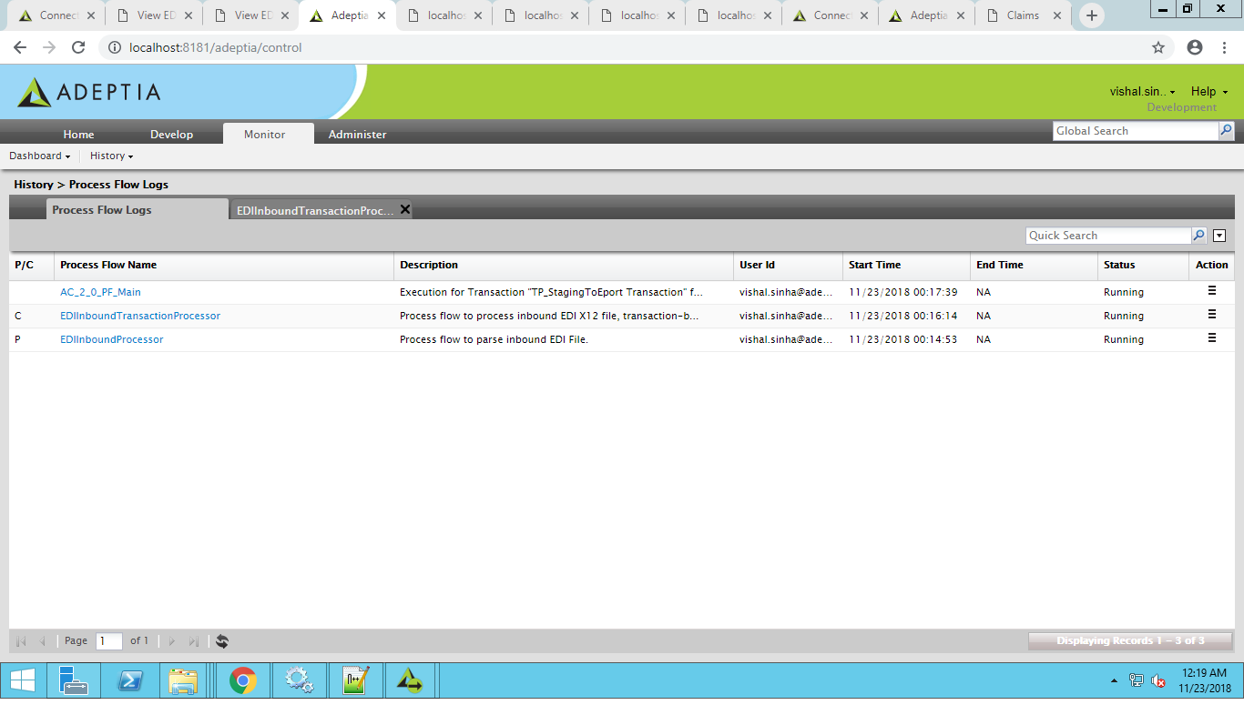
3 | Outbound Transaction | Outbound transaction is getting Aborted with following error message"MailTarget:EDINACKNotification:192168001034125023153179200012[null]" | 1.Go to connect dashboard ClaimsRepricingEDI section 2.Update the Claim status "PROD" 3.Turn on Outbound Transaction 4.Go to connect dashboard transaction section E26 outbound transaction is aborted | open | Abhishek | Anubhav/Shivangi |  | 23/11/18
4 | Inbound transaction | File for other partner is executed sucessfully when file is dropped in other partner folder |  | open | Abhishek | Anubhav/Shivangi |  | 28/11/18
5 | Outbound Transaction | HCP segment value is not coming in outbound file for PWGA (P) partner | 1.Go to connect dashboard ClaimsRepricingEDI section 2.Update the Claim status "PROD" 3.Turn on Outbound Transaction 4.Go to connect dashboard transaction section PWGA (p) outbound transaction is executed sucessfuly 5.open the Outbound file check HCP segment Value is not coming | Closed | Abhishek | Anubhav/Shivangi | Fixed | 27/11/18
6 | Outbound Transaction | HCP segment 03 Element value is not coming in outbound file for PWGA (P) partner | 1.Go to connect dashboard ClaimsRepricingEDI section 2.Update the Claim status "PROD" 3.Turn on Outbound Transaction 4.Go to connect dashboard transaction section PWGA (p) outbound transaction is executed sucessfuly 5.open the Outbound file check HCP03 element Value is not coming | Closed | Abhishek | Anubhav/Shivangi | Fixed | 27/11/18
7 | GUI | Search result is not displaying data | 1.Go to connect dashboard ClaimsRepricingEDI section 2.Click on Search bar and search data for GS02,payToProvider column 3.Check no data is displayed | Closed | Abhishek | Naman | Fixed | 23/11/18
8 | GUI | Search result is not displaying data | 1.Go to connect dashboard ClaimsRepricingEDI section 2.Click on Search bar and search data of next page 3.Check no data is displayed | Closed | Abhishek | Naman | Fixed | 23/11/18
9 | GUI | Updated value is not reflected on GUI | 1.Go to connect dashboard ClaimsRepricingEDI section 2.Click on claims table column which you want to update. 3.data for below column does not reflected on GUI ->Admission date ->DOS Latest ->Employee FirstName ->Provider-name ->Pay -to-Employee ->Other insurance pay ->Event Date | Closed | Abhishek | Naman | Fixed | 23/11/18
10 | GUI | Proper error message should be displayed | 1.Go to connect dashboard ClaimsRepricingEDI section 2.Click on claims table column which you want to update. 3.Enter alphabets in Integer field(TotalPay) 4.Instead of proper error message code is displayed | Closed | Abhishek | Naman | Fixed | 23/11/18
11 | GUI | Red mark is coming when Claims3 filed is updated | 1.Go to connect dashboard ClaimsRepricingEDI section 2.Click on claims3 table column which you want to update. 3.Enter value in Plan_pay, click update button 4.Field value gets updated with red mark in left top corner | Closed | Abhishek | Naman | Fixed | 23/11/18
12 | GUI | Update & cancel button is not visible for Child tables when only one Line Number is present for that claim | 1.Go to connect dashboard ClaimsRepricingEDI section 2.Click on claims with single Line Number. 3.Check for update and cancel buttons are not visible | Closed | Abhishek | Naman | Update and cancel button is not coming for child tables() Claim No=TNCLM14383243 | 23/11/18
13 | GUI | CPTdetails filed "Modifier" is showing wrong message | 1.Go to connect dashboard ClaimsRepricingEDI section 2.Click on cptdeatils Modifier field and insert alphabets. 3.Click update button 4."Testcase fail" message is displayed | Closed | Abhishek | Naman |  | 23/11/18
14 | GUI | When Claims fields are updated then that claim is shifted to the bottom | 1.Go to connect dashboard ClaimsRepricingEDI section 2.Click on claim field and update the value 3.Click update button 4. Claim is shifted to bottom of the current page. | Closed | Abhishek | Naman
15 | GUI | Error message is displayed continiously when Pay to provide value is blank |  | Closed | Abhishek | Naman
16 | GUI | Scroll bar is coming for child table and rows are not visible | 1.Go to connect dashboard ClaimsRepricingEDI section 2.Click on claim child table present in Page 4 3.Check the child table with scroll bar | open | Abhishek | Naman | this is happening due to large no of column which you want to show on the GUI so it is automatically assigning the width to the column and scroll bar is comming NOT A BUG
17 | Outbound Transaction | Default value for PER02_SubmitterContactName = EPLAN SUPPORT is not coming | 1.Go to connect dashboard ClaimsRepricingEDI section 2.Update the Claim status "PROD" 3.Turn on Outbound Transaction 4.Go to connect dashboard transaction section PWGA (I) outbound transaction is executed sucessfuly 5.open the Outbound file check PER02 element Value is not equal to EPLAN SUPPORT | Closed | Abhishek | Anubhav/Shivangi | Fixed | 28/11/2018
18 | Outbound Transaction | Default value for PER04_CommunicationNumber is not coming | 1.Go to connect dashboard ClaimsRepricingEDI section 2.Update the Claim status "PROD" 3.Turn on Outbound Transaction 4.Go to connect dashboard transaction section PWGA (I) outbound transaction is executed sucessfuly 5.open the Outbound file check PER04 element Value is not equal to 8007041005 | Closed | Abhishek | Anubhav/Shivangi | Fixed | 28/11/2018
19 | Outbound Transaction | Value of BHT03 is not coming correctly | 1.Go to connect dashboard ClaimsRepricingEDI section 2.Update the Claim status "PROD" 3.Turn on Outbound Transaction 4.Go to connect dashboard transaction section PWGA (I) outbound transaction is executed sucessfuly 5.open the Outbound file check BHT03 element Value is not equal to 1000000000 | Closed | Abhishek | Anubhav/Shivangi | Fixed | 28/11/2018
20 | GUI | Data shown on GUI is not in correct sequence | 1.Go to connect dashboard ClaimsRepricingEDI section 2.Claims are not coming in Sequance | open | Abhishek | Naman | It is not a bug the GUI will fetch the record on base of sequence of the database.This can only be resolve by having a date column in database which will hep in the sorting | 28/11/2018
21 | GUI | Inbound file path filed in Advance search is throwing error "Maximum filed length is 20 " | 1.Go to connect dashboard ClaimsRepricingEDI section 2.Click on Advance search 3.Enter the file name in Inbound file path 4.Error message is throwen | open | Abhishek | Naman | Fixed | 29/11/18
22 | GUI | Real TPA claim No. field in Advance search is not displaying search data | 1.Go to connect dashboard ClaimsRepricingEDI section 2.Click on Advance search 3.Enter the data in Real TPA Claim No.and click search button 4.No data is displayed | open | Abhishek | Naman | Fixed | 29/11/18
23 | GUI | Sorting for child table is not working correctly | 1.Go to connect dashboard ClaimsRepricingEDI section 2.Click on claim 3.Line Number field in child table is not in sorting order | open | Abhishek | Naman | Fixed | 29/11/18
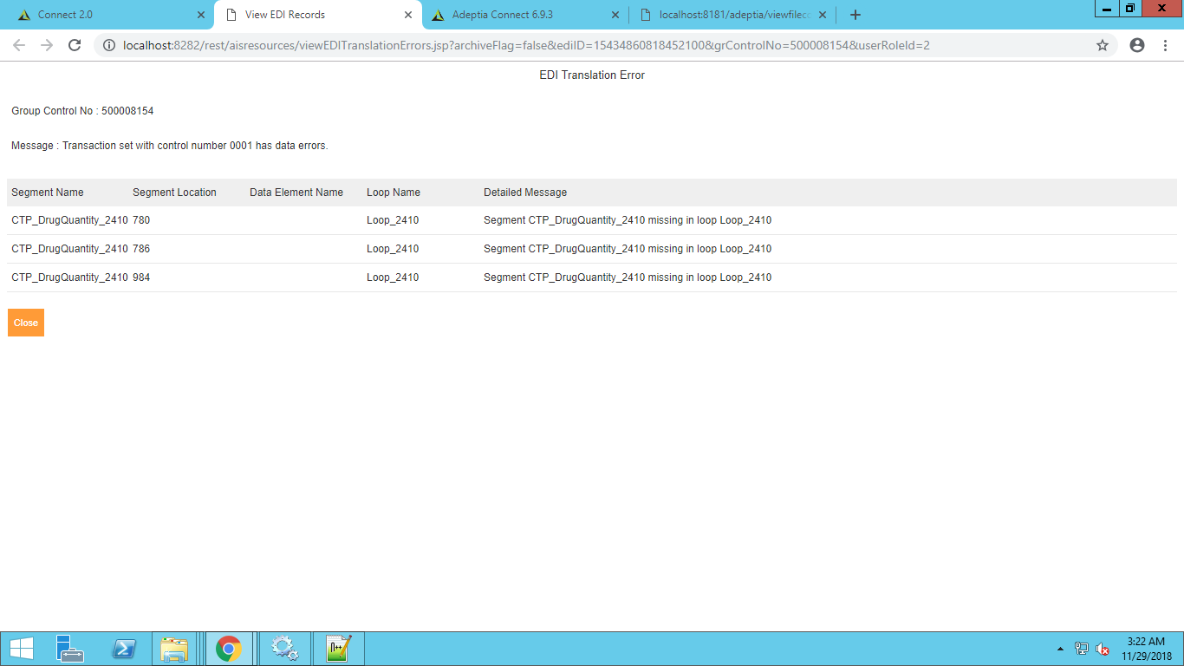
24 | Inbound transaction | When processed Institutional file for NCAL partner "CTP_DrugQuantity_2410 "error is thrown (Please refer screenshot) (E26EPLAN_837P_20180518_040108.837) (E26EPLAN_837P_20180530_040158.837) (E26EPLAN_837P_20180606_040105.837) | 1.GO to Connect Transaction section 2.Check Inbound Transaction for the NCAL partner is turned on 3.Go to S:\Adeptia\Test\Imports\NCAL drop (NCAL_EPLAN_837I_20181019_092202.837.X12) file into folder. 4.Go to Connect dashboard transaction section check Partner name is displayed correctly 5.Go to EDI X12Messsages and search for partner name, Started time 6.Check for transaction with Error status | open | Abhishek | Anubhav/Shivangi |  | 29/11/18
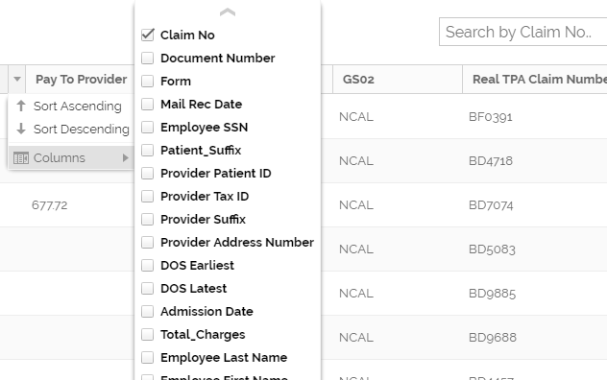
25 | GUI | When there are multiple line level data present in child table then for records present at bottom the header of claims3 should be visible in order for the ease of customer that in which coloumn they are editing. |  | Suggestion | Abhishek |  | Fixed | 29/11/18
26 | GUI | There should be some Order defined for the fields displayed on dashboard. There should be defined format to display data |  | Suggestion | Abhishek |  |  | 29/11/18
27 | GUI | Columns should either be in Ascending or descending order | Please refer screenshot attached | open | Abhishek | Naman |  | 29/11/18
28 | GUI | Handeling of space is not there in Search bar | 1.Go to connect dashboard ClaimsRepricingEDI section 2.Click on Search bar and entry space 3.No error is thrown | open | Abhishek | Naman | Fixed | 29/11/18
29 | GUI | There should be a feature to save search so that user do not have to create filter again and again |  | Suggestion |  |  | Already present
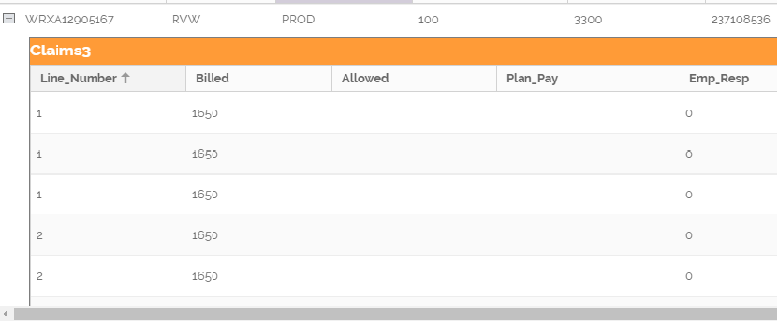
30 | Stagging to Eport | Duplicate data is coming in claims3 table | Not able to reproduce this bug . Please refer screenshot |  |  | Anubhav/shivangi |  | 29/11/18
31 | Stagging to Eport | Document number value is not coming | 1. Drop the (E26EPLAN_837I_20181024_040108.837) file into E26 partner 2.Go to connect dashboard ClaimsRepricingEDI section 3.verify Document Number column value is blank | Closed | Abhishek | Anubhav/shivangi | Fixed | 2018-03-12
32 | Inbound | Test(Interchange test indicator) file is getting executed | 1. Drop the (HSBA_EPLAN_837P_20180822.115042.837) file with Interchange test indicator element as T 2.Go to connect dashboard ClaimsRepricingEDI section 3.Inbound transaction is getting executed. | Open | Abhishek | Anubhav/shivangi |  | 2018-03-12
33 | Stagging to Eport | Provider_Patient_ID value is coming wrong | 1. Drop the file into specific partner folder 2.Check the value of Provider_Patient_ID="1" | Closed | Abhishek | Anubhav/shivangi | Fixed | 2018-12-04
34 | Stagging to Eport | patient_Name Comma is missing after last name value | 1. Drop the file into specific partner folder 2.Check the value of Patient_Name="Last, First Middle" | Closed | Abhishek | Anubhav/shivangi | Fixed | 2018-12-04
35 | Stagging to Eport | Processing_Date value is coming wrong | 1. Drop the file into specific partner folder 2.Check the value of Processing_Date="1900-01-01 0:00:00" | Closed | Abhishek | Anubhav/shivangi | Fixed | 2018-12-04
36 | Stagging to Eport | Third_Party_Pay value is coming wrong | 1. Drop the file into specific partner folder 2.Check the value of Third_Party_Pay="NULL" | Closed | Abhishek | Anubhav/shivangi | Fixed | 2018-12-04
37 | Stagging to Eport | value is not coming for Employee_Address (For Professional) |  | Closed | Abhishek | Anubhav/shivangi | Fixed | 2018-12-05
38 | Stagging to Eport | Value for discharge_date is not coming (P_EPLAN_180924_014137) |  | Open | Abhishek | Anubhav/shivangi |  | 2018-12-06
39 | Stagging to Eport | BillingProviderSuffix value is not coming (I_EPLAN_181017_014140) |  | Closed | Abhishek | Anubhav/shivangi | Fixed | 2018-12-07
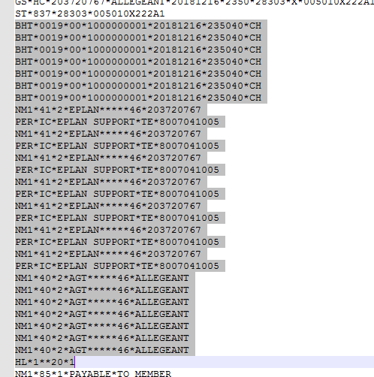
40 | Outbound transaction | Wrong Outbound transaction is running for Partner CENT | 1. Drop the Institutuional file in CENT folder. 2.Change status PROD Or DONK 3.Outbound for Professional file is running | Closed | Abhishek | Anubhav/shivangi | Fixed | 2018-12-07
41 | Outbound transaction | Outbound File contains Multiple tags of BHT,NM1, PER | Pls refer screen shot | Closed | Abhishek | Anubhav/shivangi | Fixed | 2018-12-17
42 | Outbound transaction | ISA013 value is increment 2 time for same partner GS06 value is incremented only once | When Two files for same partner I &P are pocessed, file which execute first is have ISA13 value 28303 and file executed 2nd is haveing value 28304 | Closed | Abhishek | Anubhav/shivangi | Fixed | 2018-12-17
43 | Outbound transaction | Value of Filed "BILLED" in Claims3 table is not coming for Institutional files "NECAEPLAN_837I_20181023_060323.837" |  | Open | Abhishek | Anubhav/shivangi |  | 2018-12-24
44 | Outbound transaction | Value of Filed "Modifier" in CPTdetails table is not coming for Institutional files "NECAEPLAN_837I_20181023_060323.837" |  | Open | Abhishek | Anubhav/shivangi |  | 2018-12-24

